Components information
y | Photo | Product Description (clicking on it will bring you to the corresponding website) | Stock available | Products with this filling may experience delivery delays if there’s a demand exceeding our current stock.
 | Sensors
1 |  | Soft potentiometer | >100
2 |  | Flex sensor | >100
3 |  | Light Dependant resistor | >100
4 |  | HC-SR04 Ultrasone sensor – afstandsmeter | 26
5 |  | IR Phototransistor 5mm, 570nm | >50
6 |  | IR Infrared Motion Detection Sensor Module (DC 5V~20V) | 3
7 | 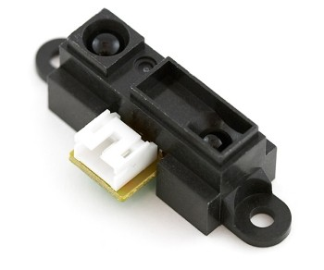 | Infrared proximity sensor 4-30 CM | 25
8 | 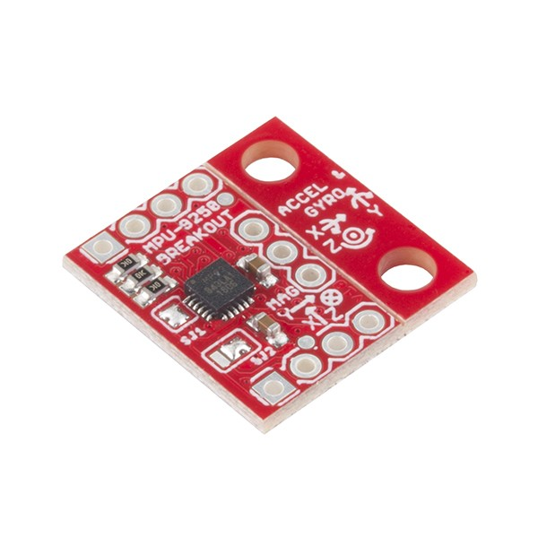 | IMU 9DOF - MPU-9250 BREAKOUT | 25
9 |  | 10DOF 9-assen L3G4200D ADXL345 HMC5883L BMP085 module GY-80 | 2
10 |  | ADXL345 3-Assige versnellingsmeter GY-291 | 6
11 |  | Bodemvochtigheids sensor op basis van de LM393 chip | 6
12 |  | DHT11 Temperatuur en luchtvochtigheid sensor | 2
13 |  | Geluid detectie sensor TK0862 | 17
14 |  | Druksensor Interlink FSR-400 ± 10 g - 10 kg | 0
15 |  | Vlam sensormodule | 3
16 |  | RS Omni-Directional PCB Mount 9.7mm Condenser Microphone Element, 50 → 16000 Hz -41dB | >100
17 |  | GY-31 multicolor sensor | 30
18 |  | 5V Infrared Line Tracking Sensor Module | >100
19 | 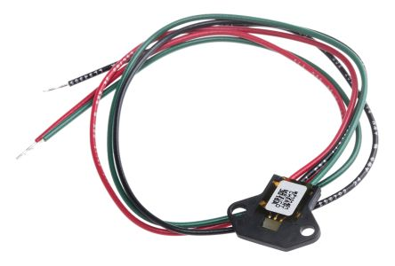 | NPN Hall Effect Sensor | 50
 | Actuators
20 |  | HG7881 Two-Channel Motor Driver Board - Blauw + Groen + Zwart (2.5 ~ 12V) | >50
21 |  | L9110 2-Channel Motor Driver Module - Red + Green (2.5~12V) | >50
22 |  | L298N Motor driver module | >50
23 |  | DC geared motor,12-24V 30:1 rpm ratio | 10
24 | 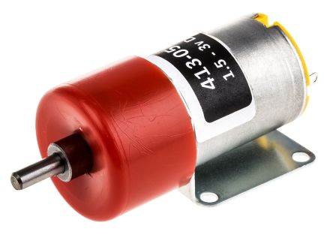 | DC geared motor,1.5-3V 15:1 rpm ratio | 85
25 |  | TT-02 DIY Car Model TT Motor Encoder w/ Wheel - Black + Yellow | >100
26 |  | Modelcraft BMS-410C Standaard servo Transmissie: Kunststof JR | 40
27 |  | Puntlaser, rood Laserfuchs, Rood Vermogen 0.4 mW | 5
28 |  | Parallax Inc Servo Motor, 4 → 6 V, 0 → 50 rpm | 20
29 |  | Modelcraft MC1811 MODELCRAFT micro servo MC1811 Glijlagers Transmissie: Kunststof JR | 0
30 |  | 17HS3001-20B Steppermotor | >150
31 |  | A4988 Stepper Motor Driver Module | >150
32 |  | CNC Shield Ver 3.03 | >75
33 | 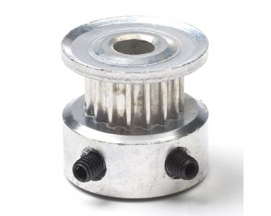 | Timing pulley | 50
34 | 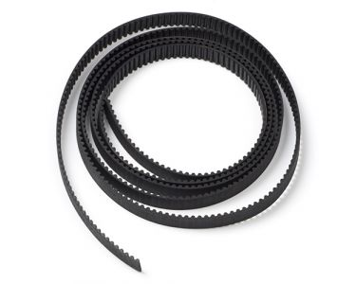 | Timing belt | 25m
35 | 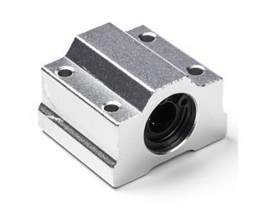 | Linear bearing | 50
36 | 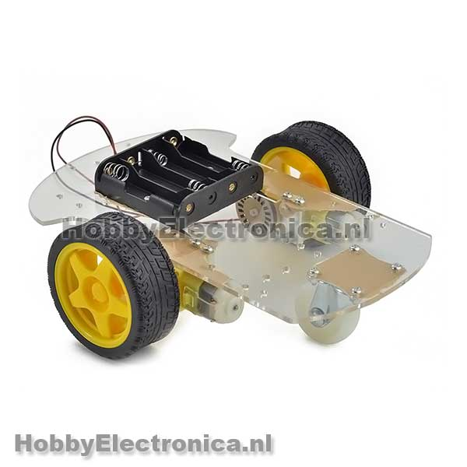 | Smart car robot chassis 2WD platform | 50
37 | 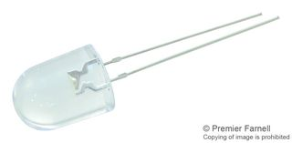 | White LED T-1 3/4 (5mm), 20 mA, 3.5 V, 5 cd | 200
38 |  | Seven-segment led | >100
39 |  | Character LCD scherm | >100
 | Transistors
40 |  | STMicroelectronics, TIP121, NPN Darlington Transistor, 5 A 80 V HFE:1000, 3-Pin TO-220 | 40
 | Switches
41 |  | JZC-11F | >100
42 |  | Powerswitch | >100
 | Power supplies
43 |  | VOLTCRAFT USPS-1500 Stekkernetvoeding | >150
44 |  | Batterijhouder 10 AA | >100
45 |  | Batterijhouder 8 AA | >100
46 |  | Batterijhouder 2 AAA | >20
47 |  | Batterijclip 9 V | >100
48 |  | Lead Acid AGM 6V1.0Ah | 13
49 |  | Batterijhouder blokbatterij 9V | 10
50 |  | Voltage regulator 5V | >150
51 |  | Voltage regulator 3.3V | >150
 | Others
52 | 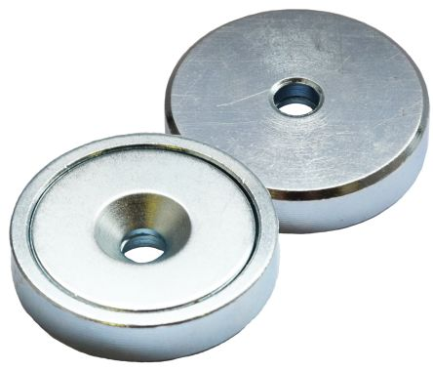 | Eclipse 16mm Screw M3 Neodymium Magnet | 0
53 | 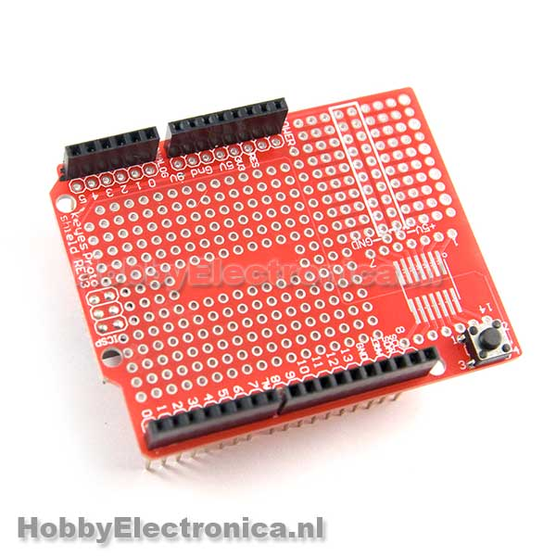 | Proto shield Arduino | 0
54 | 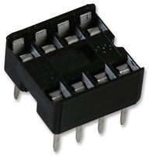 | TE CONNECTIVITY 1-2199298-2 IC SOCKET, DIP, 8POS, TH | 10
55 |  | Conrad Euro-printplaat, puntraster | 10

